Sheet1
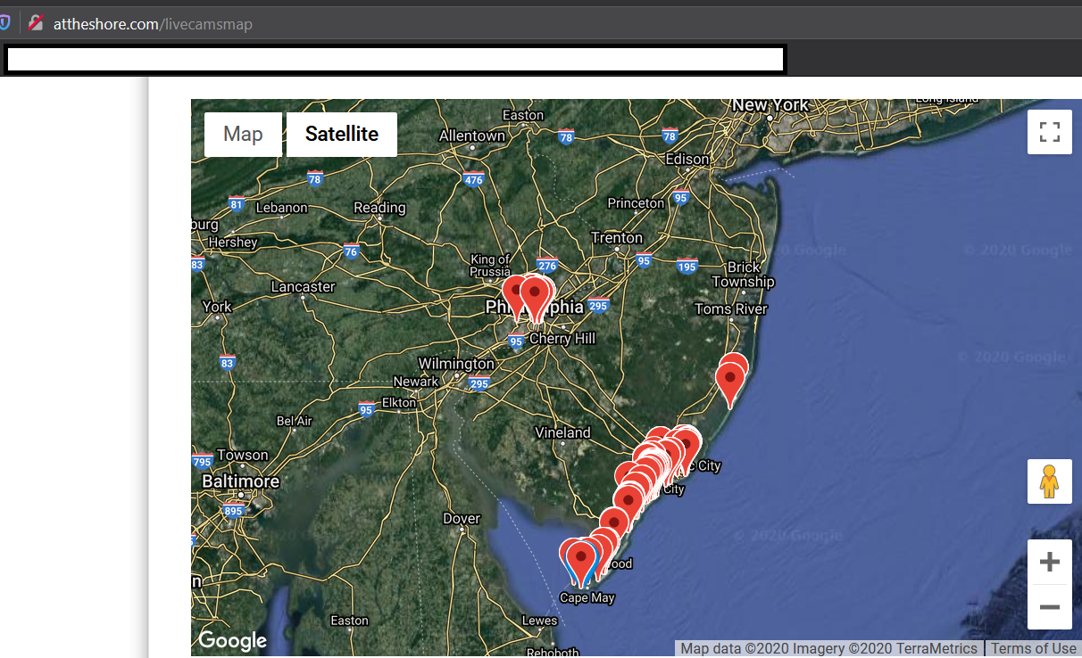
LIVE CAMERAS IN NEW JERSEY

Live Camera Websites
https://www.weatherbug.com/weather-camera/
https://www.earthcam.com/
https://www.weatherbug.com/traffic-cam/

Location | Ocean? | Road? | Sky? | Other? | URL
Jersey City | X |  | X |  | https://www.earthcam.com/usa/newyork/skyline/?cam=hyatthd
Seaside Park | X |  | X |  | https://www.earthcam.com/usa/newjersey/seasidepark/?cam=seasidepark
Seaside Heights North | X |  | X |  | https://www.earthcam.com/usa/newjersey/seasideheights/?cam=seasideheights
Seaside Heights | X |  | X |  | https://www.earthcam.com/usa/newjersey/seasideheights/?cam=seasideheights2
Seaside Heights Amusement | X |  | X |  | https://www.earthcam.com/usa/newjersey/seasideheights/?cam=seasideheights3
Battleship / Camden |  |  | X | Del. River | http://attheshore.com/livecam-battleshipnj574
Battleship / Camden |  |  | X | Del. River | http://attheshore.com/livecam-battleshipnj559
Atlantic Highlands | X |  | X |  | https://www.earthcam.com/usa/newjersey/atlantichighlands/?cam=atlantichighlands
Point Pleasant | X |  | X |  | https://njbeachcams.com/central-new-jersey/martells-tiki-beach-cam/
Paterson |  |  |  | River? | https://www.earthcam.com/usa/newjersey/paterson/?cam=patersonfalls
Lavalette | X |  | X |  | https://thesurfersview.com/live-cams/new-jersey/lavallette-beach-cam-and-surf-report
Stafford Twp |  | X |  | NJ 72 | https://511nj.org/camera
East Hanover |  | X |  | Rt 10 | http://www.novartisinfo.com/common/skycam_both.htm

